Summary_Percolation Data
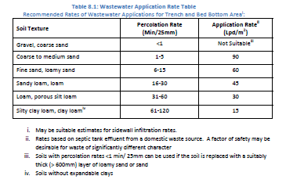
Household / Site ID | Household / Site Name | Data Form Name | Data Form Link | Pictures Link | Date | Latitude | Longitude | Data Collector | Approx Perc Rate (min/25mm)
HH06 | Martha Perez | Percolation - 1 | https://docs.google.com/document/d/1-yhHRJ1-O7AIjOcMaRE0OD2G7SXhNCDk/edit | https://drive.google.com/drive/folders/1HciY3ZgOs-3KVqJ_SjOqqJQuDUc7JHim | 2021-03-02 | NA | NA | Eveling Rodriguez | 10.7
HH21 | Luisa Amanda Caceres | Percolation - 2 | https://docs.google.com/document/d/1x3Whft2xXUfvdyM1I9DfkaOGkHOBJReq/edit | https://drive.google.com/drive/folders/1MGlhiinmO8YkOnMElWgHT6PVID5LBUYY?usp=sharing | 2021-03-02 | 13°31'17.82" | 86°29'44.63" | Eveling Rodriguez | #N/A
HH31 | Jaime Rodriguez | Percolation - 3 | https://docs.google.com/document/d/1tcw9CKBHAEKjWdtAmaflBVA9cthkLjt8/edit | https://drive.google.com/drive/folders/1lETfQMf_B4j0EdYEMrpFmzFaOTVAq9z0?usp=sharing | 2021-03-03 | 13°31'17.74" | 86°29'52.99" | Eveling Rodriguez | 12.3
HH42 | Eleazar Gomez | Percolation - 4 | https://docs.google.com/document/d/1M501ODgLwsQhGu648ARU1lP2gu51YaZx/edit | https://drive.google.com/drive/folders/19_exxrDBNLixjAMM5vZLZKDdMbs4VhHh?usp=sharing | 2021-03-03 | 13°31'24.02" | 86°29'52.20" | Eveling Rodriguez | #N/A
HH75 | Juan Munoz Talavera | Percolation - 5 | https://docs.google.com/document/d/1aM0FslYQxd2-lyTtq6b1dxaz61Zw9NBA/edit | https://drive.google.com/drive/folders/1tkFdJQm20XztivOEy0ICCJcKUJ1jAjIc?usp=sharing | 2021-03-04 | 13°31'28.38" | 86°29'44.16" | Eveling Rodriguez | 10
HH81 | Santos Eloy Bautista | Percolation - 6 | https://docs.google.com/document/d/1E_eLVppMIwEaTcc4XXIJnkMLVsPWgp-a/edit | https://drive.google.com/drive/folders/1ZKjBshmj1Sv7MNPcZD0WQoEDggHpopnQ?usp=sharing | 2021-03-04 | NA | NA | Eveling Rodriguez | 33.8

